Verapamil Human
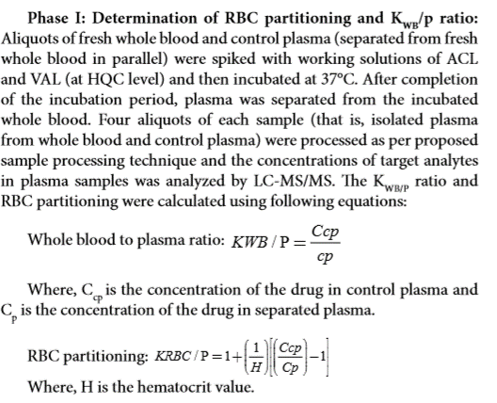
Human Data :

SampleName | DataPathName | SamplePosition | SampleType | LevelName | AcqTime | CompoundName | ExpectedConcentration | ISTD RetentionTime | Transition | Accuracy | Area | Dilution | ISTD Area | ISTDResponseRatio | RetentionTime | Conc. | ManuallyIntegrated | AcqMethodFileName
Verapamil_Human_Ref Plasma__1_____XP1-A10_Inj EPA_091520_21 |  |  |  |  | 10/2/20 | Verapamil | N/A | 1.06 | 455.2 / 150.0 | N/A | 6609000 | 1 | 7258000 | 0.9106 | 1.21
Verapamil_Human_Ref Plasma__2_____XP1-B10_Inj EPA_091520_22 |  |  |  |  | 10/2/20 | Verapamil | N/A | 1.07 | 455.2 / 150.0 | N/A | 7171000 | 1 | 6955000 | 1.031 | 1.22
Verapamil_Human_Ref Plasma__3_____XP1-A6_Inj EPA_091520_23 |  |  |  |  | 10/2/20 | Verapamil | N/A | 1.06 | 455.2 / 150.0 | N/A | 5830000 | 1 | 6922000 | 0.8422 | 1.22
Verapamil_Human_Ref Plasma__4_____XP1F15_Inj EPA_091520_24 |  |  |  |  | 10/2/20 | Verapamil | N/A | 1.06 | 455.2 / 150.0 | N/A | 7311000 | 1 | 6823000 | 1.072 | 1.21
Verapamil_Human_Plasma__1_____XP1-A10_Inj EPA_091520_10 |  |  |  |  | 10/2/20 | Verapamil | N/A | 1.06 | 455.2 / 150.0 | N/A | 8233000 | 1 | 8187000 | 1.006 | 1.22
Verapamil_Human_Plasma__2_____XP1-B10_Inj EPA_091520_11 |  |  |  |  | 10/2/20 | Verapamil | N/A | 1.06 | 455.2 / 150.0 | N/A | 7414000 | 1 | 8227000 | 0.9012 | 1.23
Verapamil_Human_Plasma__3_____XP1-A6_Inj EPA_091520_12 |  |  |  |  | 10/2/20 | Verapamil | N/A | 1.06 | 455.2 / 150.0 | N/A | 8063000 | 1 | 8168000 | 0.9871 | 1.22
Verapamil_Human_Plasma__4_____XP1F15_Inj EPA_091520_13 |  |  |  |  | 10/2/20 | Verapamil | N/A | 1.06 | 455.2 / 150.0 | N/A | 7459000 | 1 | 7953000 | 0.9379 | 1.22
BLANK_Human___1_____X_Inj EPA_091520_6 |  |  |  |  | 10/2/20 | Verapamil | N/A | 1.06 | 455.2 / 150.0 | N/A | 49.4 | 1 | 9677000 | 0.000005105 | 1.22
BLANK_Human___2_____X_Inj EPA_091520_7 |  |  |  |  | 10/2/20 | Verapamil | N/A | 1.06 | 455.2 / 150.0 | N/A | 28.28 | 1 | 10230000 | 0.000002765 | 1.21

SampleName | Area | ISTD Area | ISTDResponseRatio | Blanked | Cb/Cp Ratio | Kp, Partition ratio
Verapamil_Human_Ref Plasma__1_____XP1-A10_Inj EPA_091520_21 | 6,609,000 | 7,258,000 | 0.911 | 0.911 | 0.96 | 0.91
Verapamil_Human_Ref Plasma__2_____XP1-B10_Inj EPA_091520_22 | 7,171,000 | 6,955,000 | 1.031 | 1.031 | 1.07 | 1.15
Verapamil_Human_Ref Plasma__3_____XP1-A6_Inj EPA_091520_23 | 5,830,000 | 6,922,000 | 0.842 | 0.842 | 0.98 | 0.95
Verapamil_Human_Ref Plasma__4_____XP1F15_Inj EPA_091520_24 | 7,311,000 | 6,823,000 | 1.072 | 1.072 | 1.03 | 1.06
Verapamil_Human_Plasma__1_____XP1-A10_Inj EPA_091520_10 | 8,233,000 | 8,187,000 | 1.006 | 1.006 | average | average
Verapamil_Human_Plasma__2_____XP1-B10_Inj EPA_091520_11 | 7,414,000 | 8,227,000 | 0.901 | 0.901 | 1.01 | 1.02 |  | If Kp is negative, convert to zero when calculating average
Verapamil_Human_Plasma__3_____XP1-A6_Inj EPA_091520_12 | 8,063,000 | 8,168,000 | 0.987 | 0.987
Verapamil_Human_Plasma__4_____XP1F15_Inj EPA_091520_13 | 7,459,000 | 7,953,000 | 0.938 | 0.938 | HCT | 0.47 |  | Make sure HCT level is correct for each species
BLANK_Human___1_____X_Inj EPA_091520_6 | 49 | 9,677,000 | 0.000
BLANK_Human___2_____X_Inj EPA_091520_7 | 28 | 10,230,000 | 0.000 | 0.000

